Depreciation
Comcast Corporation

Depreciation (using SLM)
($ in million) | 2021A | 2022A | 2023A | 2,024 | 2,025 | 2,026 | 2,027 | 2,028 | 2,029 | Asset Type | Useful Life | Depreciation % | Gross PPE (2024A) | % of Total
Distribution system |  |  |  |  |  |  |  |  |  | Cable distribution system | 11 | 9% | 47,800 | 39%
Opening - Gross PPE |  |  |  |  | 47,800 | 52,332 | 56,984 | 61,775 | 66,729 | Customer premise equipment | 6 | 17% | 23,200 | 19%
Add: Capex |  |  |  |  | 4,532 | 4,652 | 4,791 | 4,953 | 5,144 | Buildings and leasehold improvements | 32 | 3% | 22,100 | 18%
Closing - Gross PPE |  |  |  | 47,800 | 52,332 | 56,984 | 61,775 | 66,729 | 71,872 | Other equipment | 11 | 9% | 18,100 | 15%
Depreciation |  |  |  |  | 4,551 | 4,969 | 5,398 | 5,841 | 6,300 | Construction in process | - |  | 8,600 | 7%
 |  |  |  |  |  |  |  |  |  | Land | - |  | 2,200 | 2%
Customer premise equipment |  |  |  |  |  |  |  |  |  | Total |  |  | 122,000 | 100%
Opening - Gross PPE |  |  |  |  | 23,200 | 25,400 | 27,658 | 29,983 | 32,387
Add: Capex |  |  |  |  | 2,200 | 2,258 | 2,325 | 2,404 | 2,496
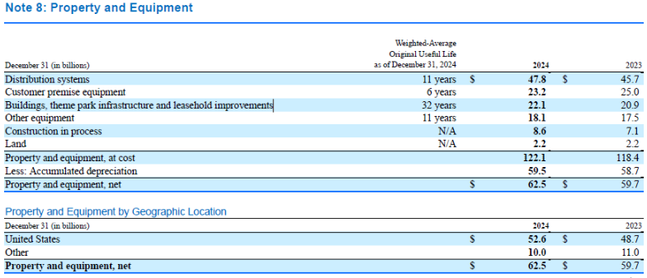
Closing - Gross PPE |  |  |  | 23,200 | 25,400 | 27,658 | 29,983 | 32,387 | 34,884
Depreciation |  |  |  |  | 4,050 | 4,421 | 4,803 | 5,198 | 5,606

Buildings, theme park infrastructure and leasehold improvements
Opening - Gross PPE |  |  |  |  | 22,100 | 24,196 | 26,346 | 28,561 | 30,852
Add: Capex |  |  |  |  | 2,096 | 2,151 | 2,215 | 2,290 | 2,378
Closing - Gross PPE |  |  |  | 22,100 | 24,196 | 26,346 | 28,561 | 30,852 | 33,230
Depreciation |  |  |  |  | 723 | 790 | 858 | 928 | 1,001

Other equipment
Opening - Gross PPE |  |  |  |  | 18,100 | 19,816 | 21,578 | 23,392 | 25,268
Add: Capex |  |  |  |  | 1,716 | 1,762 | 1,814 | 1,876 | 1,948
Closing - Gross PPE |  |  |  | 18,100 | 19,816 | 21,578 | 23,392 | 25,268 | 27,215
Depreciation |  |  |  |  | 1,723 | 1,882 | 2,044 | 2,212 | 2,386

Construction in process
Opening - Gross PPE |  |  |  |  | 8,600 | 9,415 | 10,252 | 11,114 | 12,006
Add: Capex |  |  |  |  | 815 | 837 | 862 | 891 | 925
Closing - Gross PPE |  |  |  | 8,600 | 9,415 | 10,252 | 11,114 | 12,006 | 12,931

Land
Opening - Gross PPE |  |  |  |  | 2,200 | 2,409 | 2,623 | 2,843 | 3,071
Add: Capex |  |  |  |  | 209 | 214 | 221 | 228 | 237
Closing - Gross PPE |  |  |  | 2,200 | 2,409 | 2,623 | 2,843 | 3,071 | 3,308

Total
Opening - Gross PPE |  |  |  |  | 122,000 | 133,568 | 145,441 | 157,669 | 170,312
Add: Capex |  |  |  |  | 11,568 | 11,873 | 12,228 | 12,642 | 13,128
Closing - Gross PPE |  |  |  | 122,000 | 133,568 | 145,441 | 157,669 | 170,312 | 183,440
Depreciation |  |  |  |  | 11,048 | 12,062 | 13,104 | 14,179 | 15,293
Accumulated Depreciation |  |  |  | 59,500 | 70,548 | 82,610 | 95,714 | 109,892 | 125,185
Net PPE |  |  |  |  | 63,020 | 62,831 | 61,956 | 60,419 | 58,255

($ in million) | 2021A | 2022A | 2023A | 2024A | 2025E | 2026E | 2027E | 2028E | 2029E
Capex Projection
Revenue | 116,385 | 121,427 | 121,572 | 123,731 | 126,610 | 129,946 | 133,829 | 138,365 | 143,681
Capex | 9,174 | 10,626 | 12,242 | 12,181 | 11,568 | 11,873 | 12,228 | 12,642 | 13,128
% of Revenue | 8% | 9% | 10% | 10% | 9% | 9% | 9% | 9% | 9%

Capex Breakup
Cable distribution system |  |  |  |  | 4532 | 4652 | 4791 | 4953 | 5144
Customer premise equipment |  |  |  |  | 2200 | 2258 | 2325 | 2404 | 2496
Buildings and leasehold improvements |  |  |  |  | 2096 | 2151 | 2215 | 2290 | 2378
Other equipment |  |  |  |  | 1716 | 1762 | 1814 | 1876 | 1948
Construction in process |  |  |  |  | 815 | 837 | 862 | 891 | 925
Land |  |  |  |  | 209 | 214 | 221 | 228 | 237
Total |  |  |  |  | 11568 | 11873 | 12228 | 12642 | 13128

Debt Schedule
Comcast Corporation

($ in million) | 2021A | 2022A | 2023A | 2024A | 2025E | 2026E | 2027E | 2028E | 2029E
Total Long Term Debt
Opening Balance |  | 94,850 | 94,811 | 97,090 | 99,093 | 94,186 | 89,286 | 83,586 | 76,586
Add: New Issuance |  |  |  | 0 | 0 | 0 | 0 | 0 | 0
Sub: Repayment |  |  |  |  | -4,907 | -4,900 | -5,700 | -7,000 | -4,800
Closing Balance | 94,850 | 94,811 | 97,090 | 99,093 | 94,186 | 89,286 | 83,586 | 76,586 | 71,786
Interest rate |  |  |  |  | 4.10% | 4.10% | 4.10% | 4.10% | 4.10%
Interest Expense |  |  |  |  | 3962 | 3761 | 3544 | 3284 | 3042

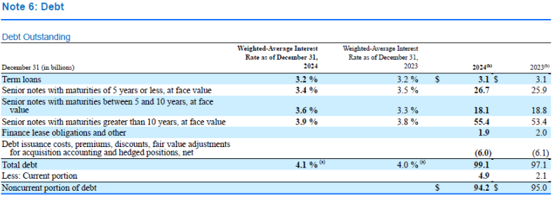
Current portion of Long Term Debt |  |  |  |  | 4,900 | 5,700 | 7,000 | 4,800 | 0
Non-Current portion of Long Term Debt |  |  |  |  | 89,286 | 83,586 | 76,586 | 71,786 | 71,786

Cash Investment
Opening Balance |  |  |  |  | 7,322 | 14,562 | 18,903 | 23,307 | 27,331
Closing Balance |  |  | 6,215 | 7,322 | 14,562 | 18,903 | 23,307 | 27,331 | 34,522
Interest rate |  |  |  |  | 3% | 3% | 3% | 3% | 3%
Interest Income |  |  |  |  | 328 | 502 | 633 | 760 | 928

